24-LITE-88-STD
BIKE CODE FOR ORDERS |  | 24-LITE-88-STD | BIKE DESCRIPTION NAME | YCF LITE-88 2024 | CONTROL STATUS
EFFECTED DATE(D/M/Y) |  | 24/1/2024 | VERSION | 2024A0

Handle bar assembly |  |  |  |  |  | AB
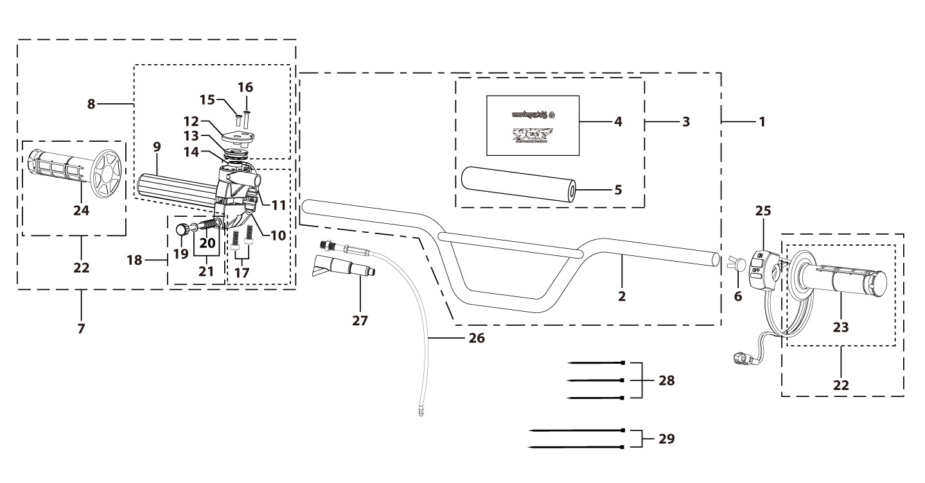
N° | Ref. | Description | Français | Picture | Qty/Bike | Rep. Pst.
2 | YC110-0101-34-BK | chromoly handle high bar L=760mm d=22.2 mm, with cross bar, embossed, Black | Guidon complet Q235 Barre haute L=760mm d=22.2mm avec Barre,Sans Driot Stries, Stries des Poignée,Noir |  | 1
3 | YC110-0132 | Complete Bar Pad for Chromolly Handlebar L=250mm START Black-WHITE | Mousse guidon complete pour guidon Chromolly L=250mm Noir-BLANC |  | 1
6 | YC110-0153-01 | Handle bar plastic cap,Nylon,Black | Embout plastique de guidon,nylon,Noir |  | 1
7 | YC110-0138-04 | Complete Throttle Assy. (With adjusting bolts)+set of grip ( YCF LOGO) Grey 2020 | Poignee gaz reglable complete YCF 2020 avec Paire de poignée caoutchouc YCF GRIS 2020 + vis reglage |  | 1
15 | GB819-M4x12 | Countersunk cross head machine screw,stainless steel, M4x12mm | Vis à tête fraisée plate cruciforme,inox, M4x12mm |  | 1
16 | GB819-M4x20 | Countersunk cross head machine screw,stainless steel, M4x20mm | Vis à tête fraisée plate cruciforme,inox, M4x20mm |  | 1
17 | GB70-M6x25 | HEXAGON SOCKET Head Bolt, stainless steel, M6x25mm | Vis Allen (BTR)inox, M6x25mm |  | 2
18 | YC110-01022-06 | Complete SCREW FOR THROTTLE ADJUSTMENT,(with GB97-d5xd9x1-W2A + YC110-01022-06 1EA+YC110-01022-07 1EA) | VIS M5X50 POUR RÉGLAGE DE LA POIGNÉE DE GAZ complete (avec GB97-d5xd9x1-W2A + YC110-01022-06 1EA+YC110-01022-07 1EA) |  | 1
22 | PPC011-GY | set of grip 2020 (YCF LOGO) Grey | Paire de poignée caoutchouc 2020 (YCF LOGO) GRISE |  | 1
25 | YC110-0105-15 | Kill Switch ON/OFF L=580mm Waterproof | Coupe circuit on off L=580mm ETANCHE |  | 1
26 | YC110-0106-16 | Throttle Cable L=710mm A+B=135mm | Cable gaz L=710mm A+B=135mm |  | 1
27 | YC110-0143-01 | Rubber on trottle cable | Protection caoutchouc cable de gas |  | 1
28 | YC110-01-03-BK | Cable tie,nylon, L=150mm Black | collier maintien cable, nylon, L=150mm Noir |  | 3
29 | YC110-01-05-BK | Cable tie,nylon, L=350mm Black | colier maintien cable,nylon, L=350mm Noir |  | 2
Steering stem assembly |  |  |  |  |  | AB
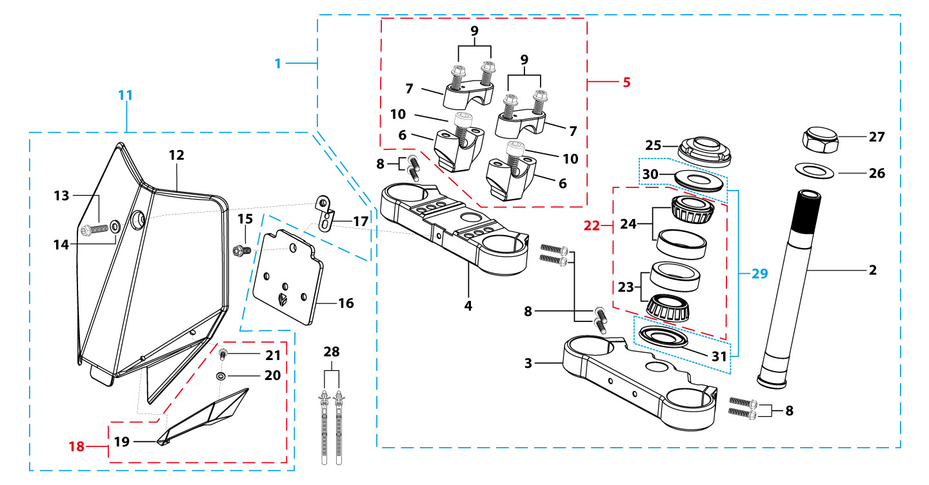
N° | Ref. | Description | Français | Picture | Qty/Bike | Rep. Pst.
1 | YC110-02-054-BK | Complete Triple Clamp L=160mm Steering stem L=195mm LITE 2022 MATT Black | Te Fourche Complet L=160mm tige colonne direction L=195mm LITE 2022 Noir MAT |  | 1
2 | YC50-0200-02 | Steering stem L=195mm | tige colonne direction L=195mm |  | 1
3 | YC110-0202-52-BK | Lower triple clamp L=160mm d33mm H=18mm LITE 2020 MATT Black | té fourche inferieur L=160mm d33mm H=18mm LITE 2020 Noir MAT |  | 1
4 | YC110-0201-52-BK | Top Triple Clamp L=160mm d33mm H=18mm LITE 2022,3 ADJUSTEBLE POSITIONS MATT Black | té fourche supérieur L=160mm d33mm H=28mm LITE 2022,REGLAGE 3 POSITIONS Noir MAT |  | 1
5 | YC110-0203-035 | Set of Bar mount d22.2mm /H=top 18mm+bottom 55mm START 2020(with GB70-M10x50x1.5W 2EA+BT08-M8x30-W 4EA)Black | jeu pontet guidon d22.2mm /H=supérieur 18mm+inferieur 55mm START 2020(avec GB70-M10x50x1.5W 2EA+BT08-M8x30-W 4EA) Noir |  | 1
6 | YC110-0203-32 | Lower Bar Mount CNC d=22.2mm H=55mm START 2020 Black | Pontet guidon inférieur d=22.2mm H=55mm START 2020 Noir |  | 2
7 | YC110-0201-02 | Top Bar Mout CNC d=22.2 mm H=18mm START 2020 Black | pontet guidon supérieur d=22.2mm H=18mm START 2020 Noir |  | 2
8 | BT08-M6x25-W | HEXAGON Torx screw with Flange M6x25mm | Vis HEXAGONALE Torx avec Flange M6x25mm |  | 4
9 | BT08-M8x30-W | HEXAGON Torx screw with Flange M8x30mm | Vis HEXAGONALE Torx avec Flange M8x30mm |  | 4
10 | GB70-M10x50x1.5-W | HEXAGON SOCKET Head Bolt,steel, M10x50mmx1.5mm | Vis Allen (BTR),acier, M10x50mmx1.5mm |  | 2
11 | YC110-0212-07-BK | Complete Front Number Plate PP SP 2014 BLACK | PLAQUE AVANT complete PP SP 2014 NOIR |  | 1
13 | BT08-M6x12-W | HEXAGON Torx screw with Flange M6x12mm | Vis HEXAGONALE Torx avec Flange M6x12mm |  | 1
14 | GB97-d6-W | Flat washer,steel d6mm | Rondelle plate,acier d6mm |  | 1
15 | GBT5787-M6x16-6-W | Hex. Bolt with flanged M6x16mm (step 6mm) steel | Vis avec epaulement M6x16mm (deport 6mm) acier |  | 1
16 | YC110-0213-12 | Front plastic plate to hold cables 75mmx80mm | Plaque avant plastique maintien cables 75mmx80mm |  | 1
17 | YC110-0213-11 | Number plate bracket 18mmx93mm H=18mm LITE 2020 double holes | support plaque avant 18mmx93mm H=18mm LITE 2020 Doubles trous |  | 1
18 | YC110-0214-01-WH | Complete Break Line Retainer (with GB818-M4x10-W 1EA+GB97-d4-W 1EA) White | guide durite avec vis sur plaque avant complet (avec GB818-M4x10-W 1EA+GB97-d4-W 1EA) Blanc |  | 1
20 | GB97-d4-W | Flat washer,steel d4mm | Rondelle plate,acier d4mm |  | 1
21 | GB818-M4x10-W | Pan / Round head cross machine screw M4x10mm | Vis à tête ronde cruciforme M4x10mm |  | 1
22 | KRDIRECTION46 | set of bearing for steering 46/23.5、46/22 | Kit rlt colonne direction 46/23.5、46/22 |  | 1
25 | YC110-02-09 | Top nut for steering,steel, d=54.5mm | écrou crantellé colonne direction steel d=54.5mm |  | 1
26 | YC110-02-10 | Washer for steering stem nut, stainless steel, d22mmxd37mmx0.7mm | joint colonne direction,inox, d22mmxd37mmx0.7mm |  | 1
27 | YC110-02-11 | Nut for steering stem,steel, M22x1.0mm | écrou supérieur colnne direction ,acier, M22x1.0mm |  | 1
28 | YC110-01-08-BK | Cable tie, PA66 L=80mm ADJUSTABLE Black | Collier maintien cable,PA66 L=80mm ADJUSTABLE Noir |  | 2
29 | YC110-02-20 | Washer for steering stem nut (topd22mm/47mm+ bottom d24mm/47mm) | joint colonne direction(hautd22mm/47mm+ bas d24mm/47mm) |  | 1
Front Fender |  |  |  |  |  | AB

N° | Ref. | Description | Français | Picture | Qty/Bike | Rep. Pst.
1 | YC50-031-01-WH | Front Fender YCF50 2020 WHITE | Gb avant YCF50 2020 BLANC |  | 1
3 | GBT5787-M6x16-6-W | Hex. Bolt with flanged M6x16mm (step 6mm) steel | Vis avec epaulement M6x16mm (deport 6mm) acier |  | 3
4 | GBT5787-M6x16-3-W | HEXAGON screw with Flange with half thread M6x16mmx3mm | Vis HEXAGONALE avec Flange et deport M6x16mmx3mm |  | 2
Front & Rear absorber |  |  |  |  |  | AB
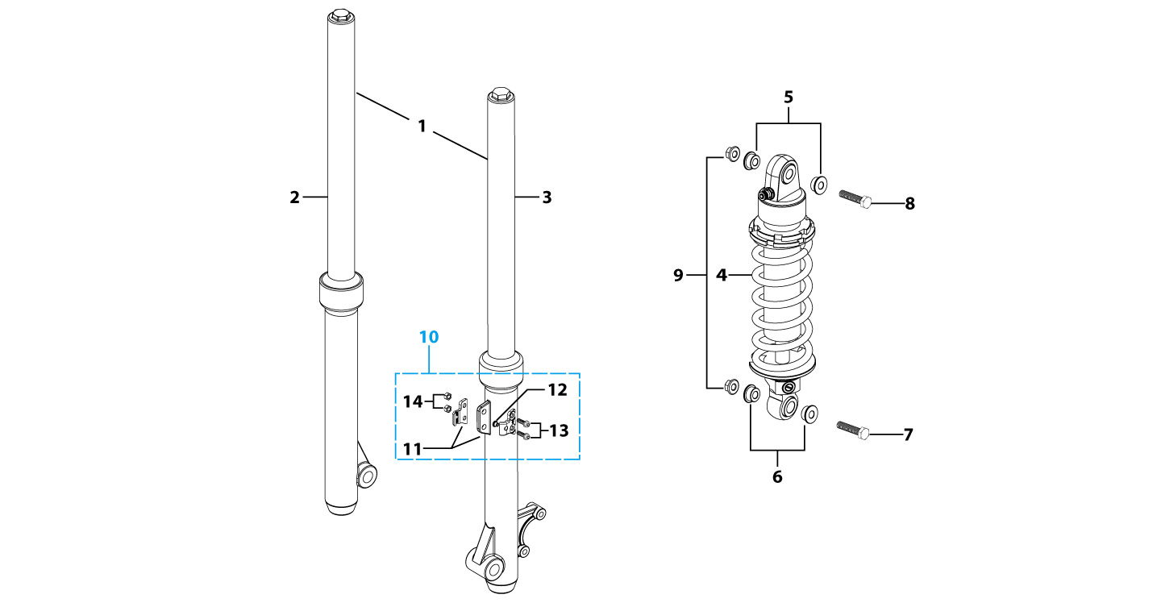
N° | Ref. | Description | Français | Picture | Qty/Bike | Rep. Pst.
1 | YC110-0400-21 | Pair of fork L=600mm (not adjustable) F88s Lite Black | Jeu de fourche (non adjustable) L=600mm F88s Lite Noir |  | 1
2 | YC110-0401-25 | Front right fork L=600mm LITE88 2017 MAT Black cylinder, Chrome tube | Tube fourche droit (non adjustable) L=600mm LITE88 Noir 2017 |  | 1
3 | YC110-0402-25 | Front left fork L=600mm(not adjustable) LITE88 Black | Tube fourche gauche (non adjustable) L=600mm LITE88 Noir |  | 1
4 | YC110-0404-82 | Shock absorber 270mmx300lbs LITE YELLOW | Amortisseur 270mmx300lbs LITE JAUNE |  | 1
5 | YC110-0416-01 | shock top spacer d12mmxd16mmxd20mmx14mm T=6mm KKE | Entretoise haut amortisseur d12mmxd16mmxd20mmx14mm T=6mm KKE |  | 1
6 | YC110-0416-02 | shock bottom spacer d12mmxd16mmxd20mmx11mm T=3mm KKE | Entretoise bas amortisseur d12mmxd16mmxd20mmx11mm T=3mm KKE |  | 1
7 | GB5789-M12x45-W | HEXAGON screw with Flange M12x45mm | Vis HEXAGONALE avec Flange M12x45mm |  | 1
8 | GB5789-M12x50-W | HEXAGON screw with Flange M12x50mm | Vis HEXAGONALE avec Flange M12x50mm |  | 1
9 | GB6187-M12-W | HEXAGON FLAT FLANGE LOCK NUT M12mm steel | Ecrou HEXAGONAL avec Flange autobloquant M12mm acier |  | 2
10 | YC110-0403-05 | Complete Oil steel line retainer on left front fork PP START Black | Complet Passe durite sur protection fourche gauche PP START Noir |  | 1
13 | BT08-M6x20-W | HEXAGON Torx screw with Flange M6x20mm | Vis HEXAGONALE Torx avec Flange M6x20mm |  | 2
14 | GB6170-M6-W | HEXAGON Nut M6mm steel | Ecrou HEXAGONAL M6mm acier |  | 2
Front Brake Assy |  |  |  |  |  | AB
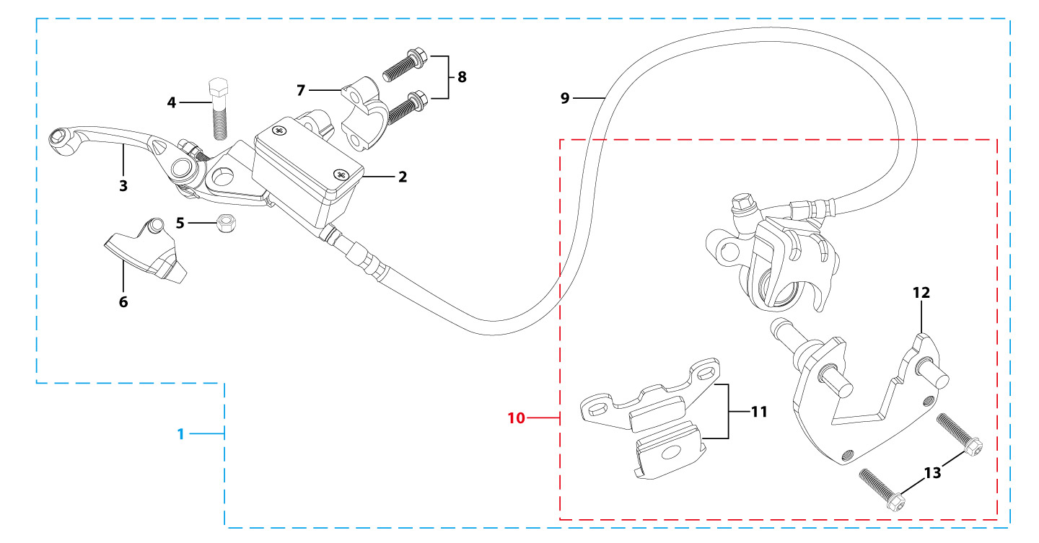
N° | Ref. | Description | Français | Picture | Qty/Bike | Rep. Pst.
1 | YC110-0501-40 | Front brake assy 1 pumps L=1000mm d10/d8 F88s LITE 2020 | Kit frein avant 1 pistons avec gaine plastic L=1000mm d10/d8 F88s LITE 2020 |  | 1
2 | YC110-0501-0105 | Front Brake Reservoir for 2 pump d10mm L125 | maitre cylindre frein avant pour étrier 2 pistons d10mm L125 |  | 1
3 | YC110-0517-01 | Front brake lever for 2 pump brake adjustable | levier frein ajustable |  | 1
4 | GB8752-M6x30-G | Hex head screw steel M6x30mm with step d8mmx17mm | Vis acier M6x30mm avec deport d8mmx17mm |  | 1
5 | GB6184-M6-G | HEXAGON FLAT NYLON LOCK NUT M6-G | Ecrou HEXAGONAL autobloquant nylon M6-G |  | 1
6 | YC110-0515-01 | rubber for brake lever | caoutchouc levier frein avant |  | 1
8 | BT08-M6x30-W | HEXAGON Torx screw with Flange M6x30mm | Vis HEXAGONALE Torx avec Flange M6x30mm |  | 2
9 | YC110-0504-03 | Front brake oil steel line L=1000mm. M10/d8mm | Durite frein avant L=1000mm M10/d8mm |  | 1
10 | YC110-0501-0210 | Front Brake d8 LITE88 | Frein avant d8 LITE88 |  | 1
11 | YC110-0501-0406 | front brake pads single piston F88L HT 9mm and 7mm | JEU PLAQUETTE AVANT simple piston F88L HT 9mm and 7mm |  | 1
12 | YC110-0501-039 | Bracket for front brake F88s LITE | Pattede frein pour etrier F88s LITE |  | 1
13 | BT08-M6x20-W | HEXAGON Torx screw with Flange M6x20mm | Vis HEXAGONALE Torx avec Flange M6x20mm |  | 2
Front Wheel Assy |  |  |  |  |  | AB

N° | Ref. | Description | Français | Picture | Qty/Bike | Rep. Pst.
1 | YC110-0601-0801 | Complete STEEL Front wheel 1.4x10' (die cast hub, d200mm brake disk) 2020 | roue avant complète ACIER 1.4x10' (moyeux injécté cerceau avec d200mm disque) 2020 |  | 1
3 | YC110-0622-08 | Front hub with oil seal 2020 10k | moyeux avant injectée avec joint spy 2020 10k |  | 1
4 | YC110-0601-02 | Front axle bushing d16mmxd20mmx44mm | Entretoise central roue avant d16mmxd20mmx44mm |  | 1
5 | 96140-6202-2Z | Ball bearing 6202-2Z d15mmxd35mmx11mm | roulement roue 6202-2Z d15mmxd35mmx11mm |  | 2
6 | YC110-0611 | OIL SEAL d23mmxd35mmx5mm | joint spy roue d23mmxd35mmx5mm |  | 2
7 | YC110-06-042 | Front wheel spacer right d15mmxd22mmx23mm | Entretoise roue avant droite d15mmxd22mmx23mm |  | 1
8 | YC110-06-052 | Front wheel spacer left d15mmxd22mmx33mm | entretoise roue avant gauche d15mmxd22mmx33mm |  | 1
9 | YC110-11-074 | Rear wheel axle L=215mm d15mm with Self locking nut M14 | axe roue arriere L=215mm d15mm avec ecrou M14 |  | 1
10 | GB6187-M14-W | HEXAGON FLAT FLANGE LOCK NUT M14 steel | Ecrou HEXAGONAL avec Flange autobloquant M14 acier |  | 1
11 | YC110-1115-07 | Front disk d220mm (Screw hole d10.5mm) 2020 | disque frein avant d220mm (Trou de vis d10.5mm) 2020 |  | 1
12 | KVD-01 | Disk screws kit (contain GB70.2-M8x20-Cr 4EA) | KIT VIS DISQUE M8x20 (lot 4) |  | 1
14 | YC50-0617-01 | STEEL Rim for Front wheel 1.4x10' Black | cerceau roue av 1,4x10' ACIER Noir |  | 1
15 | 250/10 | Tire front/rear 2.50x10' JUNXI | pneu avant/arriere 2.50x10' JUNXI |  | 1
16 | CHAMBRE10-2.5 | Tube for front tire 2.50x10' | chambre air avant 2.50x10' |  | 1
18 | YC110-11-02 | Tire lining 10‘x18 | fond jante 10’x18 |  | 1
19 | JR10-10.1-10K | set of front spoke 1.40x10' (98mmx16+101mmx16) 10K (3.2mm) | Jeu rayon avant 1.40x10' (98mmx16+101mmx16) 10K (3.2mm) |  | 1
Fuel Tank |  |  |  |  |  | AB
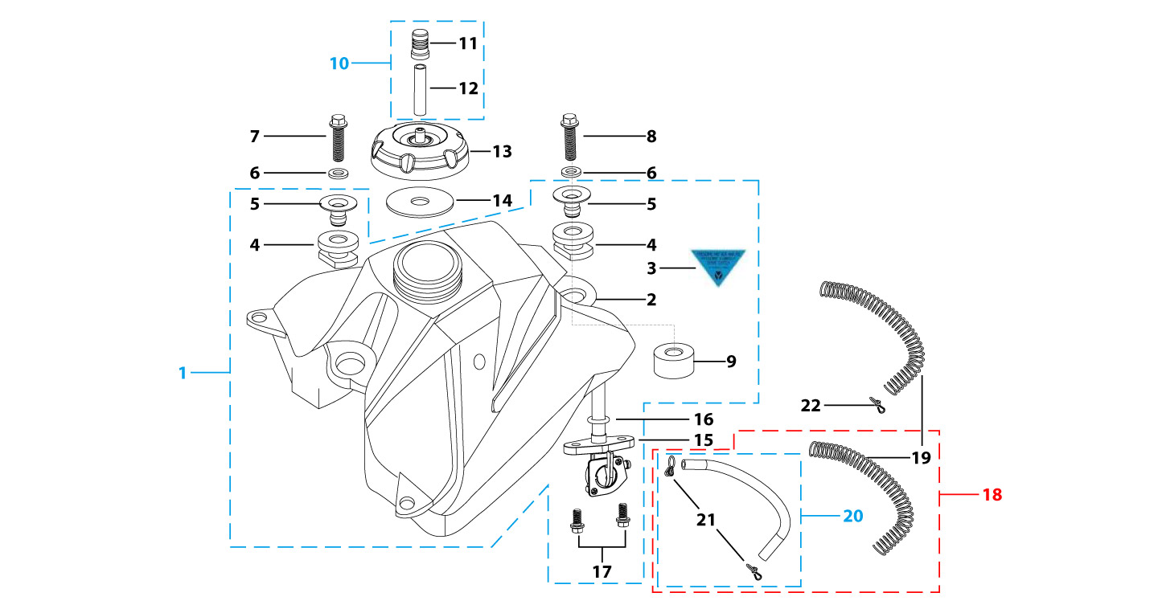
N° | Ref. | Description | Français | Picture | Qty/Bike | Rep. Pst.
1 | YC110-0701-02 | Complete fuel tank suitable for pre bikes START125 2023 with grain (with YC110-07-01 2EA+YC110-07-02 2EA+YC110-1910 1EA) | Reservoir complet (Adaptable pour motos avant) START125 2023 avec finition granulee(with YC110-07-01 2EA+YC110-07-02 2EA+YC110-1910 1EA) |  | 1
6 | GB96-d8-W | Flat washer,steel d8mm | Rondelle plate,acier d8mm |  | 2
7 | BT08-M8x30-W | HEXAGON Torx screw with Flange M8x30mm | Vis HEXAGONALE Torx avec Flange M8x30mm |  | 1
8 | BT08-M8x35-W | HEXAGON Torx screw with Flange M8x35mm | Vis HEXAGONALE Torx avec Flange M8x35mm |  | 1
9 | FB13-8x17x10-W | pedal d8mmxd17mmx10mm | frein d8mmxd17mmx10mm |  | 1
10 | YC125-0704-BK | Fuel tank valve complete L=40mm Black | Valve prise air complete L=40mm Noir |  | 1
13 | YC110-0702-01 | Tank cap plastic Ventilator d3mm | Bouchon reservoir plastique YCF d3mm |  | 1
15 | YC110-0703 | Fuel cock assy. | robinet essence |  | 1
17 | BT08-M6x16-W | HEXAGON Torx screw with Flange M6x16mm | Vis HEXAGONALE Torx avec Flange M6x16mm |  | 2
18 | YC110-0706 | fuel tank rubber line spring d4.5mmxd8.5mmx210mm | durite reservoir avec ressort d4.5mmxd8.5mmx210mm |  | 1
Air Filter |  |  |  |  |  | AB
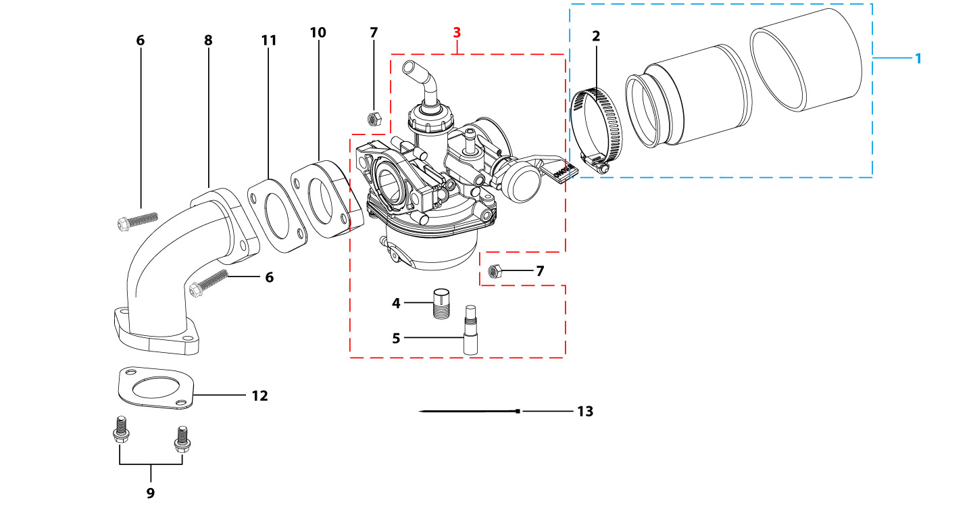
N° | Ref. | Description | Français | Picture | Qty/Bike | Rep. Pst.
1 | YC110-0802-03 | YCF air filter blue d35mm twin thickness (for 22 carburetor) assy | Filtre a air YCF bleu d35mm bi-matiere (pour carburateur 22) assemble |  | 1
2 | YC50-0803-01 | Holding ring d25mm-d40mm | collier FILTRE d25mm-d40mm |  | 1
3 | PZ18FL-SP | NIBBI Carburetor PZ18(Flange Sport version) | NIBBI Carburetor PZ18(Flange Sport version) |  | 1
4 | LK-PZ-80 | Main Jet 80 PZ Nibbi | Gicleur principal 80 PZ Nibbi |  | 1
5 | LK-FLKZ-35-01 | Slow Jet 35 FLKZ Nibbi | Gicleur ralenti 35 FLKZ Nibbi |  | 1
6 | BT08-M6x30-W | HEXAGON Torx screw with Flange M6x30mm | Vis HEXAGONALE Torx avec Flange M6x30mm |  | 2
7 | GB6170-M6-W | HEXAGON Nut M6mm steel | Ecrou HEXAGONAL M6mm acier |  | 2
8 | 17311/152FMIZL-57 | Inlet Pipe,Pro 88PILOT 2012 | PIPE ADMISSION 88PILOT 2012 |  | 1
9 | BT08-M6x25-W | HEXAGON Torx screw with Flange M6x25mm | Vis HEXAGONALE Torx avec Flange M6x25mm |  | 2
10 | YC110-2018 | carburettor isolating gasket d20.5mm | joint plastique carburateur d20.5mm |  | 1
11 | YC110-2017 | carburettor paper gasket d22mm | joint papier carburateur d22mm |  | 1
12 | 17332/152FMH01 | Intake Gasket | JT PAPIER PIPE ADMISSION |  | 1
13 | YC110-01-03-BK | Cable tie,nylon, L=150mm Black | collier maintien cable, nylon, L=150mm Noir |  | 1
Foot Peg assy |  |  |  |  |  | AB
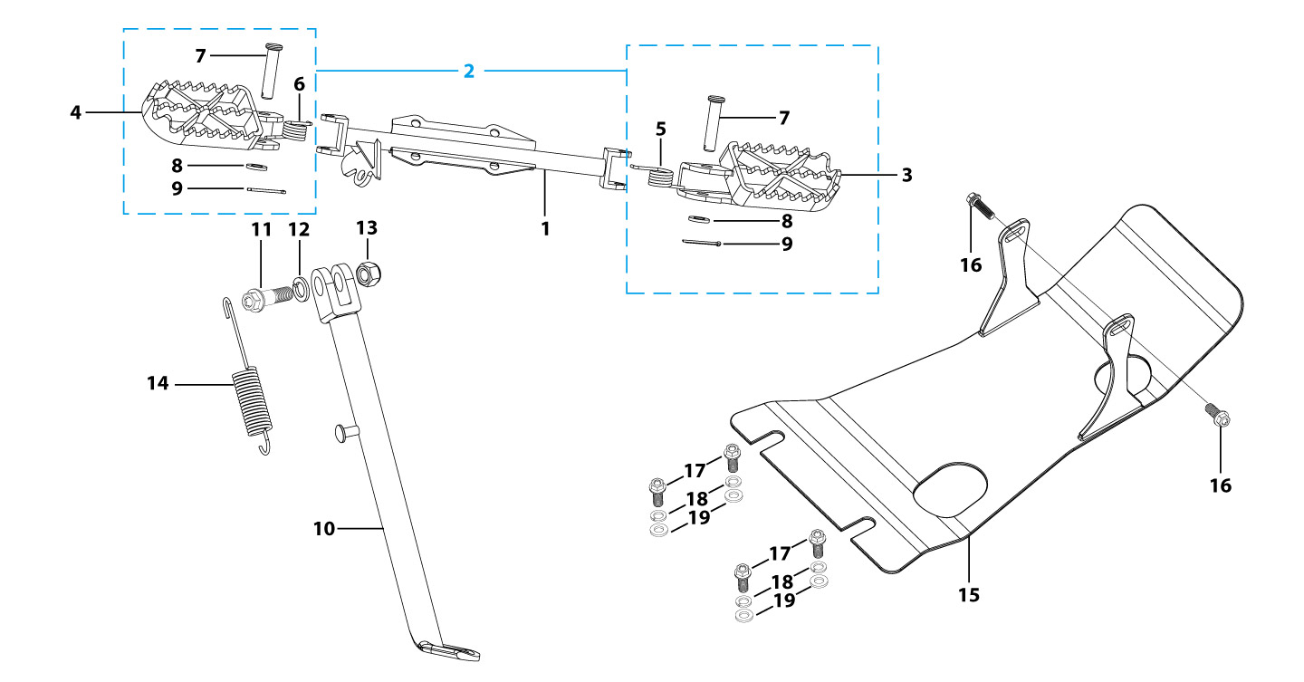
N° | Ref. | Description | Français | Picture | Qty/Bike | Rep. Pst.
1 | YC88-0901-02 | Foot pegs bar d22mm x 2.5mm START 88 / LITE 2020 Grey | barre repose pied d22mm x 2.5mm START 88 / LITE 2020 GRISE |  | 1
2 | YC110-0902-17 | Steel foot pegs set START / PILOT 2022 GREY | Jeu repose pied Acier START / PILOT 2022 GRIS |  | 1
5 | YC110-09-01 | Spring for right steel foot peg d2mmxd17mmx12mm | ressort repose pied droit acier d2mmxd17mmx12mm |  | 1
6 | YC110-09-02 | Spring for left steel foot peg d2mmxd17mmx12mm | ressort repose pied gauche acier d2mmxd17mmx12mm |  | 1
7 | GB882-d8x40-W | shaft pin for steel footpegs d8mmx40mm | axe repose pied acier d8mmx40mm |  | 2
8 | GB97-d8-W | Flat washer,steel d8mm | Rondelle plate,acier d8mm |  | 2
9 | GB91-d2x25-W | Split pin d2.0mmx25mm | Goupille d2.0mmx25mm |  | 2
10 | YC110-0904-22 | Kick stand L=240mm Black | Bequille L=240mm Noir |  | 1
11 | FB02-M10x1.5x30I | Stepped screw M10x35mm for kick stand (step 1.5) | vis bequille M10x35mm (pas1.5) |  | 1
12 | GB93-d10-W | Spring Lock Washers d10mm | Rondelle a ressort d10mm |  | 1
13 | GB6172-M10-G | HEXAGON Nut M10 for #17 sleeve | Ecrou HEXAGONAL M10 for #17 sleeve |  | 1
14 | YC110-19-01 | spring for kick stand d2.5mmxd15mmx105mm | ressort bequille d2.5mmxd15mmx105mm |  | 1
15 | YC110-204-02 | YCF Engine skid plate Steel Start 88s 2015 MATTE Black | Sabot moteur Acier YCF Start 88s 2015 Noir MAT |  | 1
16 | BT08-M6x16-W | HEXAGON Torx screw with Flange M6x16mm | Vis HEXAGONALE Torx avec Flange M6x16mm |  | 2
17 | BT08-M8x25-W | HEXAGON Torx screw with Flange M8x25mm | Vis HEXAGONALE Torx avec Flange M8x25mm |  | 4
18 | GB93-d8-W | Spring Lock Washers d8mm | Rondelle a ressort d8mm |  | 4
19 | GB97-d8-W | Flat washer,steel d8mm | Rondelle plate,acier d8mm |  | 4
Swing Arm assy |  |  |  |  |  | AB
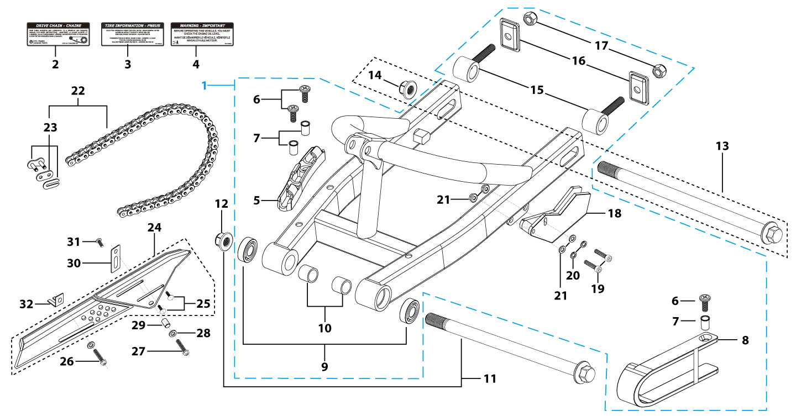
N° | Ref. | Description | Français | Picture | Qty/Bike | Rep. Pst.
1 | YC110-1001-1201 | Cantilever swing arm LITE 2020 Steel L=360mm Black | Bras Cantilever LITE 2020 Acier L=360mm Noir |  | 1
5 | YC110-10-015-BK | Rear brake hose guide 2020 Black | Passe durite de frein arriere sur bras oscillant 2020 Noir |  | 1
6 | DIN7985-M6x16 | Screw M6x16mm inox | Vis M6x16mm inox |  | 3
8 | YC110-1005-02 | Chain slider for Steel swing arm PU LITE | patin chaine court pour bras Acier PU LITE |  | 1
9 | 6001/28-12-08 | Swing arm ball bearing 6001 d12mmxd28mmx8mm | Roulement bras oscillant 6001 d12mmxd28mmx8mm |  | 2
10 | YC110-1007-02 | Space for swing arm d12mmxd20mmx25.3mm | Entretoise de bras oscillent d12mmxd20mmx25.3mm |  | 2
11 | YC110-10-037 | Swing arm shaft with self lock nut M12 L=205mm d12 | axe bras oscillant d12 avec ecrou M12 L=205mm |  | 1
12 | GB6187-M12-W | HEXAGON FLAT FLANGE LOCK NUT M12mm steel | Ecrou HEXAGONAL avec Flange autobloquant M12mm acier |  | 1
13 | YC110-11-078 | Rear wheel axle L=245 d15mm with Self locking nut M14 | axe roue arriere L=245 d15mm avec ecrou M14 |  | 1
14 | GB6187-M14-W | HEXAGON FLAT FLANGE LOCK NUT M14 steel | Ecrou HEXAGONAL avec Flange autobloquant M14 acier |  | 1
15 | YC110-1016-01 | Block axle d15mm LITE Black | Tendeur chaine d15mm LITE Noir |  | 2
17 | GB6184-M8-W | HEXAGON FLAT NYLON LOCK NUT M8 steel | Ecrou HEXAGONAL autobloquant nylon M8 acier |  | 2
16 | YC50-1001-003 | Black axle fixing plate Black 2020 | Patte acier fixation tendeur chaine Noir 2020 |  | 2
18 | YC110-1005 | YCF chain guide assy for R-START range Black | guide chaine YCF pour gamme R-START Noir |  | 1
19 | GB70-M8x20 | HEXAGON SOCKET Head Bolt, stainless steel, M8x20mm | Vis Allen (BTR)inox, M8x20mm |  | 2
20 | GB93-d8-W | Spring Lock Washers d8mm | Rondelle a ressort d8mm |  | 2
21 | GB97-d8-W | Flat washer,steel d8mm | Rondelle plate,acier d8mm |  | 2
22 | 420H-100T | Chain 420H-100T, normal | Chaine 420H-100T maillons standard |  | 1
23 | AR-420 | Chain link H=17mm | Attache rapide chaine H=17mm |  | 1
24 | YC110-1028-02 | Chain box protection | Protection chaine plastique |  | 1
25 | SC17-M8x20-B | Rivet Plastic Black M8x20mm for Chain box protection | Rivet plastique M8x20 pour fixation de la Protection chaine plastique M8x20mm |  | 2
26 | GB5787-M6x10-W | HEXAGON screw with Flange M6x10mm steel | Vis HEXAGONALE avec Flange M6x10mm acier |  | 1
27 | GB5787-M6x16-W | HEXAGON screw with Flange M6x16mm steel | Vis HEXAGONALE avec Flange M6x16mm acier |  | 1
28 | GB97-d6-W | Flat washer,steel d6mm | Rondelle plate,acier d6mm |  | 2
29 | FB13-7x12x5.5 | Bushing d7mmxd12mmx5.5mm for Chain box protection | Entretoise d7mmxd12mmx5.5mm pour Protection chaine plastique |  | 1
30 | YC110-0213-0401 | Number plate bracket long TOP 2020 | Support plaque avant 2020 |  | 1
31 | GB818-M6x12-W | Pan / Round head cross machine screw M6x12mm | Vis à tête ronde cruciforme M6x12mm |  | 1
32 | YC110-1029-02 | Chain box protection support lite | Support Protection chaine plastique lite |  | 1
Rear Wheel Assy |  |  |  |  |  | AB
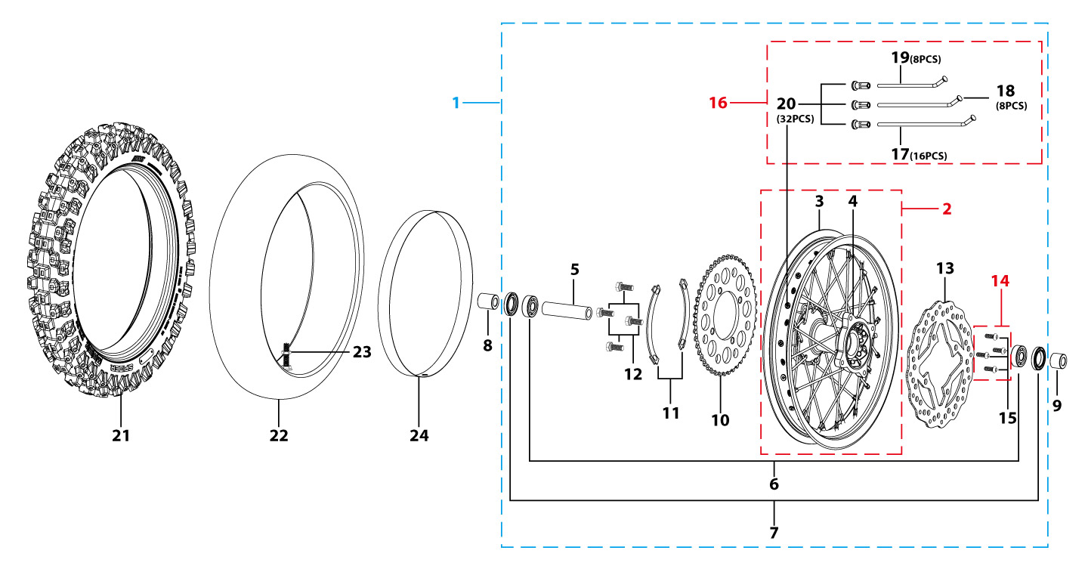
N° | Ref. | Description | Français | Picture | Qty/Bike | Rep. Pst.
1 | YC110-1101-01A | Complete STEEL Rear wheel 1.85x10' with disk and sproket die cast hub 2020 | Roue arriere complète ACIER 1.85x10' moyeux injecte avec disque et couronne 2020 |  | 1
3 | YC110-1117-01 | STEEL Rim 1.85x10' Black | cerceau roue 1,85x10' ACIER Noir |  | 1
4 | YC110-1122-08 | Rear wheel die cast hub with oil seal 2021 10K | Moyeux arrière injecté avec joint spy 2021 10K |  | 1
5 | YC110-1101-06 | Rear hub axle bushing 6061 d16mmxd20mmx74mm | Entretoise intérieur moyeux arrière 6061 d16mmxd20mmx74mm |  | 1
6 | 96140-6202-2Z | Ball bearing 6202-2Z d15mmxd35mmx11mm | roulement roue 6202-2Z d15mmxd35mmx11mm |  | 2
7 | YC110-0611 | OIL SEAL d23mmxd35mmx5mm | joint spy roue d23mmxd35mmx5mm |  | 2
8 | YC110-11-052 | Rear wheel spacer left Q235 d15mmxd22mmx38mm | Entretoise roue arriere gauche Q235d15mmxd22mmx38mm |  | 1
9 | YC110-11-041 | Rear wheel spacer right Q235 d15mmxd22mmx29mm | Entretoise roue arriere droite Q235 d15mmxd22mmx29mm |  | 1
10 | YC110-11-06/41 | YCF Driven sprocket 420-41T (4 holes) | couronne acier 420-41T YCF (4 trous) |  | 1
11 | YC110-11-03 | Sprocket Locking piece | block couronne |  | 2
12 | GB5783-M8x25-W | Hexagon Head Bolt with full thread M8x25mm | Vis a tete HEXAGONALE M8x25mm |  | 4
13 | YC110-1115-06 | Rear disk d200mm d10.5mm 2020 | disque frein arriere d200mm d10.5mm 2020 |  | 1
14 | KVD-01 | Disk screws kit (contain GB70.2-M8x20-Cr 4EA) | KIT VIS DISQUE M8x20 (lot 4) |  | 1
16 | JR10-10.4-10K | set of spoke 10' (106mmx16+98mmx8+104mmx8) 10K | jeu rayon arrière 10' (106mmx16+98mmx8+104mmx8)10K |  | 1
21 | 300/10 | YCF tyre 3.00/10' SF | pneu 3.00/10' YCF SF |  | 1
22 | CHAMBRE10 | Tube for Rear tire 3.00x10' 88CC | chambre air 3.00x10' standard 88CC |  | 1
24 | YC110-11-02 | Tire lining 10‘x18 | fond jante 10’x18 |  | 1
REAR BRAKE |  |  |  |  |  | AB
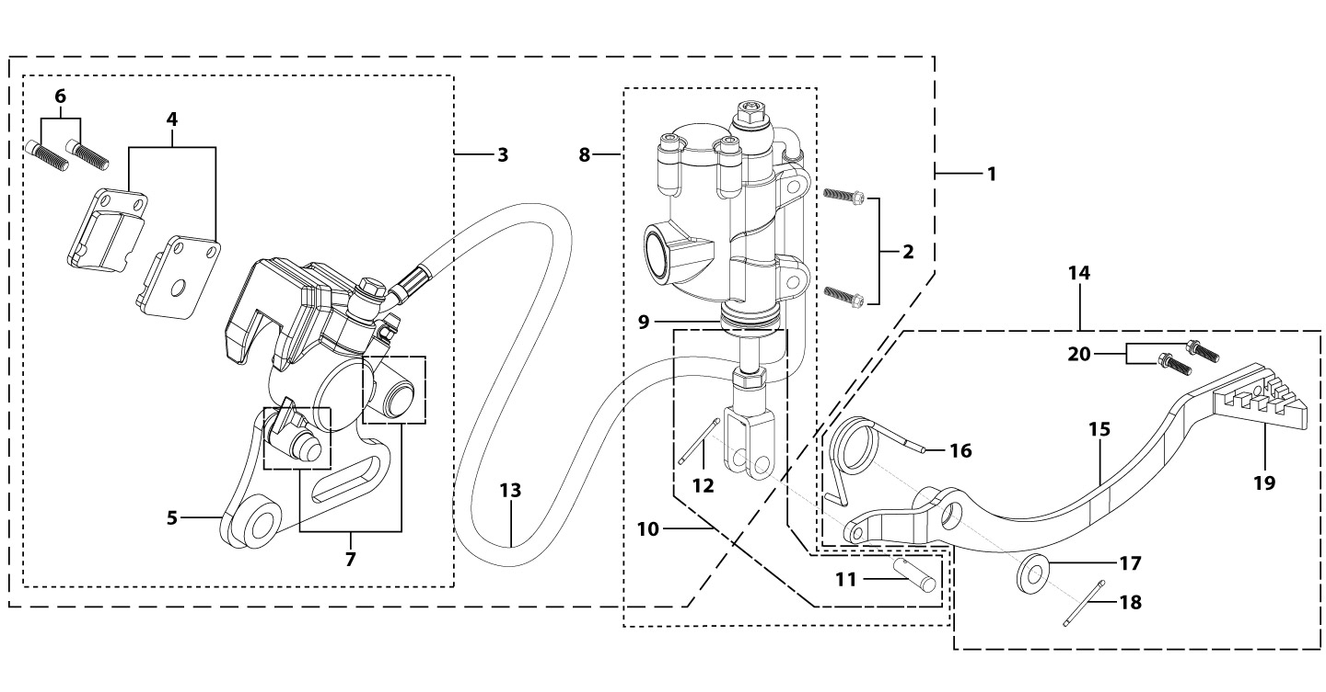
N° | Ref. | Description | Français | Picture | Qty/Bike | Rep. Pst.
1 | YC110-12012-3101 | Rear brake aasy 1 piston L=425mm d10mm/d10mm LITE 2020 | Kit frein arriere 1 piston avec gaine plastic L=425mm d10mm/d10mm LITE 2020 |  | 1
2 | BT08-M6x20-W | HEXAGON Torx screw with Flange M6x20mm | Vis HEXAGONALE Torx avec Flange M6x20mm |  | 2
3 | YC110-1201-12 | Rear Caliper 1 pistons d10mm F125 LITE | étrier frein arrière 1 piston sans amiante d10mm F125 LITE |  | 1
4 | YC110-120109 | Friction pad for 1 piston brake LITE | Plaquette frein arrière 1 piston LITE |  | 2
5 | YC110-1215-12 | Rear brake bracket LITE | patte fixation étrier frein arriere LITE |  | 1
6 | YC110-1255 | caliper screw for front brake L=38mm Army green | vis plaquette frein avant L=38mm |  | 2
7 | YC110-120110 | rubber for rear caliper | jeu de caoutcgouc d'etrier frein arriere |  | 1
8 | YC110-1201026 | Rear reservoir d10mm L125 | maitre cylindre frein arrière avec embout durite d10mm L125 |  | 1
9 | YC110-12025-01 | Rubber for rear reservoir push stick 2016 | Caoutchouc tige maitre cylindre frein arrier 2016 |  | 1
10 | YC110-1241-01 | Rear reservoir puch stick L=115mm HT | Tige poussoir maitre cylindre L=115mm HT |  | 1
11 | GB882-d6x16-W | Pin shaft d6mmx16mm | axe d6mmx16mm |  | 1
12 | GB91-d1.6x16-W | Split pin d1.6mmx16mm | Goupille d1.6mmx16mm |  | 1
13 | YC110-1203-04 | Oil steel tube L=425mm d10mm/d10mm Black 2020 | Durite frein arrière L=425mm d10mm/d10mm Noir 2020 |  | 1
14 | YC110-211 | complete brake pedal steel -20mm 2020 | Pédale de frein complete courte (-20mm) acier 2020 |  | 1
16 | YC110-21-01 | Spring for Steel brake pedal' d3.5mmxd34.5mmx11mm | ressort pour pédale de frein Acier d3.5mmxd34.5mmx11mm |  | 1
17 | FB20-15x28x2-W | Flat washer steel d15mmxd28mmx2mm | rondelle acier d15mmxd28mmx2mm |  | 1
18 | GB91-d2.5x30-W | Split pin d2.5mmx30mm | Goupille d2.5mmx30mm |  | 1
19 | YC110-1223-01 | Steel brake pedal end cap 2020 | embout pédale de frein Acier 2020 |  | 1
20 | BT08-M6x16-W | HEXAGON Torx screw with Flange M6x16mm | Vis HEXAGONALE Torx avec Flange M6x16mm |  | 2
Exhaust system |  |  |  |  |  | AB
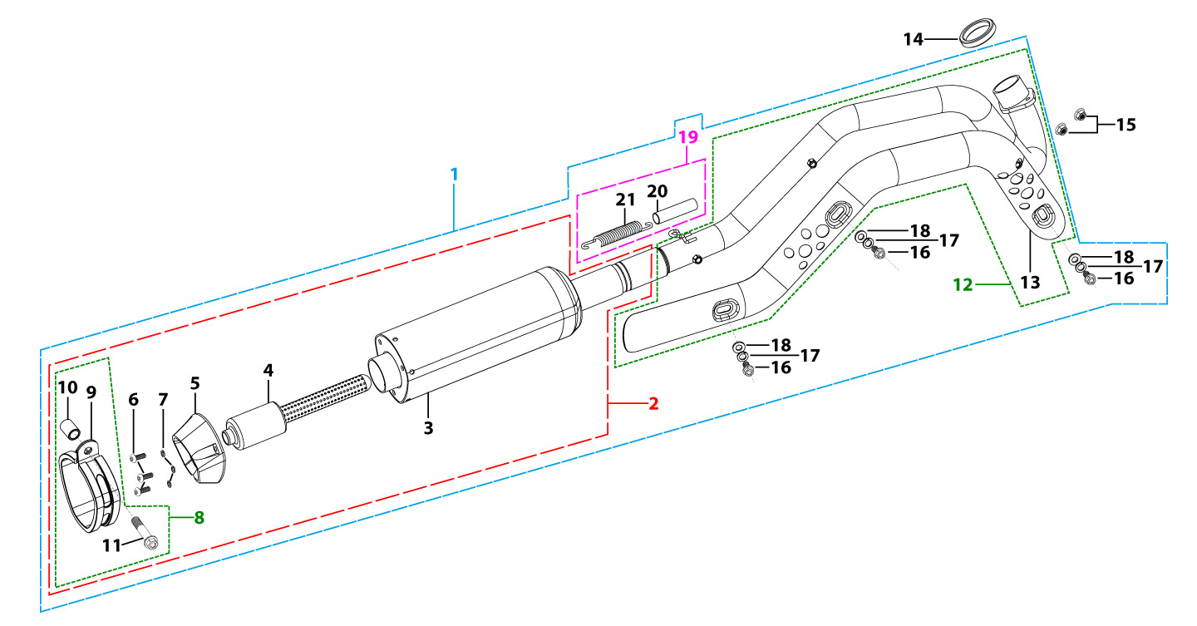
N° | Ref. | Description | Français | Picture | Qty/Bike | Rep. Pst.
1 | YC110-136-02-GY | START Muffler& Exhaust pipe assy YCF 94db (1 spring) 2022 | Echapement complet YCF 94db START (1 ressort) 2022 |  | 1
2 | YC110-13016-GY | YCF Muffler complete 94db START L=295mm (1 springs) GREY | silencieux complet YCF 94db GRIS |  | 1
4 | YC110-13-301 | Noise reducer (spark arrestor) YCF START | Bride de pot YCF START |  | 1
5 | YC110-13-32 | Muffler end cap YCF | Embout silencieux YCF |  | 1
6 | GB70.2-M5x16-Cr | Pan head hexagon screw M5x16mm Cr | Vis à tête ronde Allen (BTR) M5x16mm Cr |  | 3
7 | GB93-d5 | Spring Lock Washers d5mm inox | Rondelle a ressort d5mm inox |  | 3
8 | YC110-13-06 | Hoop for muffler complete YCF START 2020 (with rubber) | Attache silencieux complet YCF START 2020 (avec caoutchouc) |  | 1
10 | FB13-10x14x23-W | Muffler Hoop spacer d10mmxd14mmx23mm | Entretoise attache silencieux d10mmxd14mmx23mm |  | 1
11 | BT08-M8x40-B-W | HEXAGON Torx screw with Flange M8x40mm half thread | Vis HEXAGONALE Torx avec Flange M8x40mm VIS FILETAGE PARTIEL |  | 1
12 | YC110-1302-35 | Exhaust pipe with protection plate d28mm START 2022 | collecteur avec plaque d28mm START 2022 |  | 1
13 | YC110-1312-07 | Protection for exaust pipe 2022 | Grille pot 2022 |  | 1
14 | 18291/152FMH | Exhaust pipe washer d33mmxd24.5mmx5mm | joint pot d33mmxd24.5mmx5mm |  | 1
15 | GB6187-M6-W | HEXAGON FLAT FLANGE LOCK NUT M6 | Ecrou HEXAGONAL avec Flange autobloquant M6 |  | 2
16 | BT08-M6x10-W | HEXAGON Torx screw with Flange M6x10mm | Vis HEXAGONALE Torx avec Flange M6x10mm |  | 3
17 | GB93-d6 | Spring Lock Washers d6mm inox | Rondelle a ressort d6mm inox |  | 3
18 | GB97-d6-W | Flat washer,steel d6mm | Rondelle plate,acier d6mm |  | 3
19 | YC110-13-21 | Muffler spring L=50mm with rubber L=75mm | Ressort pot L=50mm avec le caoutchouc pour silencieux L=75mm |  | 1
Seat & Plastic kit |  |  |  |  |  | AB

N° | Ref. | Description | Français | Picture | Qty/Bike | Rep. Pst.
1 | YC110-1401-10 | YCF Seat assy L=480mm 2016 | selle CRF 50 L=480mm |  | 1
2 | YC110-14024 | YCF START seat cover | Housse selle YCF START |  | 1
3 | YC110-14-012-BK | YCF Rear fender 2013 BLACK | Garde boue arrière YCF 2013 NOIR |  | 1
6 | YC110-14-022-WH | YCF right side plastic WHITE | Plaque latérale droite YCF BLANC |  | 1
7 | YC110-14-03 | Cushion for right side plastic Black | caoutchouc plaque laterale droite Noir |  | 1
8 | YC110-14-042-WH | YCF left side plastic WHITE 2013 | Plaque laterale gauche YCF BLANC 2013 |  | 1
9 | YC110-14-059-BK | Right shroud SP 2017 Black | Ouie radiateur droite SP 2017 Noir |  | 1
12 | YC110-14-069-BK | Left shroud SP 2017 Black | Ouie radiateur gauche SP2017 Noir |  | 1
17 | GB819-M4x10-W | Countersunk cross head machine screw,steel, M4x10mm | Vis à tête fraisée plate cruciforme ,acier, M4x10mm |  | 8
15 | GB845-ST4.8x16-G | Pan Head Cross Tapping Screw ST4.8x16mm | Vis taraudeuse à tête ronde cruciforme ST4.8x16mm |  | 8
16 | GB845-ST4.8x20-G | Pan Head Cross Tapping Screw ST4.8x20mm | Vis taraudeuse à tête ronde cruciforme ST4.8x20mm |  | 1
18 | BT08-M6x20-W | HEXAGON Torx screw with Flange M6x20mm | Vis HEXAGONALE Torx avec Flange M6x20mm |  | 2
19 | FB5787-M5x12-W | hex.Bolt with flanged M5x12mm | Vis M5x12mm |  | 2
20 | GB96-d6-W | Flat washer,steel d6mm | Rondelle plate,acier d6mm |  | 6
21 | BT08-M6x25-W | HEXAGON Torx screw with Flange M6x25mm | Vis HEXAGONALE Torx avec Flange M6x25mm |  | 2
22 | GB6177-M6-W | HEXAGON FLAT FLANGE NUT M6 steel | Ecrou HEXAGONAL avec Flange M6 acier |  | 2
23 | YC110-03-01 | Rubber washer d6mmxd18mmx4mm for seat fixation on subframe | joint caoutchouc d6mmxd18mmx4mm pour fixation selie sur boucle acier |  | 4
ELECTRIC |  |  |  |  |  | AB
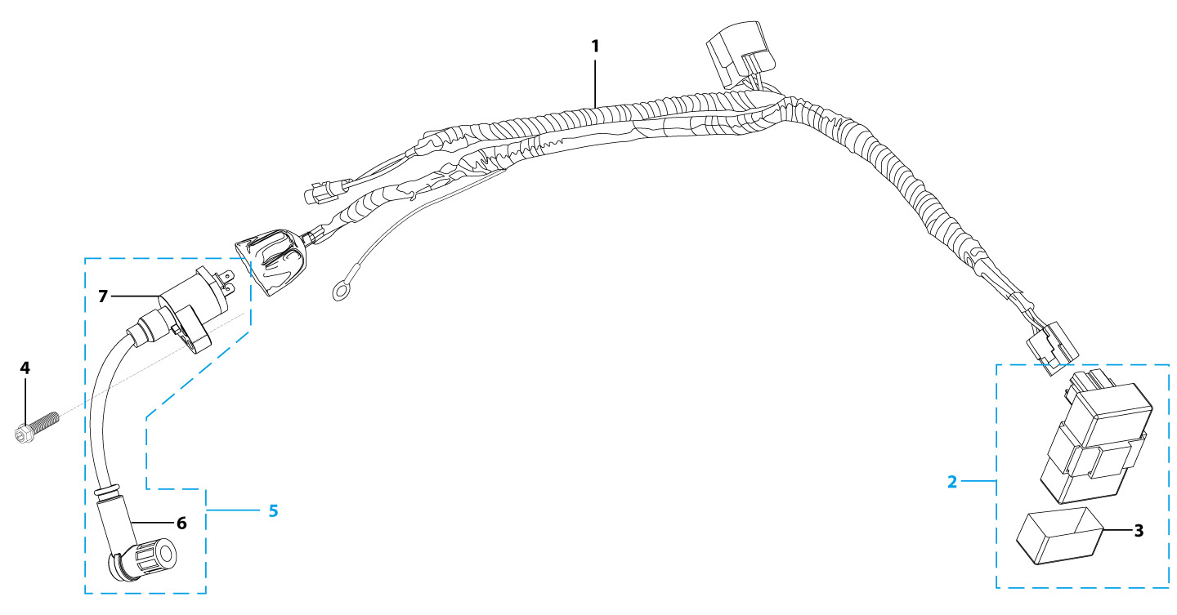
N° | Ref. | Description | Français | Picture | Qty/Bike | Rep. Pst.
1 | YC110-1501-21 | Wire harness 2020 (all kick start 2020) | Faisceaux éléctrique 2020 (toutes motos demareur kick 2020) |  | 1
2 | YC110-1503 | CDI Ignitor assy. | CDI Ignitor assy. |  | 1
4 | BT08-M6x20-W | HEXAGON Torx screw with Flange M6x20mm | Vis HEXAGONALE Torx avec Flange M6x20mm |  | 1
5 | YC110-1504-01 | Ignitor coil L=180mm | bobine haute tension L=180mm |  | 1
6 | YC110-1505 | anti interference red | anti parasite rouge |  | 1
7 | YC110-1504 | Ignitor coil | bobine haute tension (sans anti parasite) |  | 1
Frame |  |  |  |  |  | AB
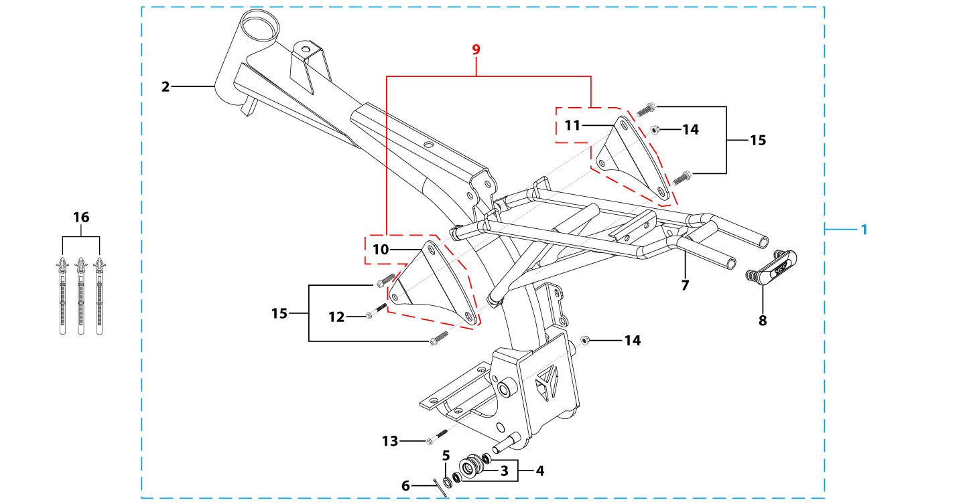
N° | Ref. | Description | Français | Picture | Qty/Bike | Rep. Pst.
1 | YC110-161-0301-BK | Reinforced frame comlplete for cantilever swing arm LITE F88s 2020 (KRDIRECTION46) Black | Cadre renforce complet lite pour bras cantilever LITE F88s 2020 ( KRDIRECTION46) Noir |  | 1
2 | YC88-172-06-BK | Reinforced frame for cantilever swing arm LITE F88s 2020 (KRDIRECTION46) Black | Cadre renforce lite pour bras cantilever LITE F88s 2020 ( KRDIRECTION46) NoirE |  | 1
3 | YC110-2201-02 | YCF Chain tensioner component Nylon 2020 | Roulette chaine YCF 2020 Nylon |  | 1
5 | GB97-d10-W | Flat washer,steel d10mm | Rondelle plate,acier d10mm |  | 1
6 | GB91-d2x25-W | Split pin d2.0mmx25mm | Goupille d2.0mmx25mm |  | 1
7 | YC110-1614-23-BK | Subframe part Steel F88s LITE 2020 | Boucle arriere chromoly LITE F88s NoirE 2020 |  | 1
8 | YC110-1633-0201 | Rubber plug for SUBFRAME part START | Embout Caoutchouc YCF boucle arriere START |  | 1
9 | YC110-16-063-BK | set of engine pads START F88SE Black | jeu de patte de cadre START F88SE NoirE |  | 1
10 | YC88-16-030-BK | frame engine pads left START F88se Black | patte de cadre gauche START F88Se NoirE |  | 1
11 | YC88-16-040-BK | frame engine pads right START F88se Black | patte de cadre droite START F88se NoirE |  | 1
12 | BT08-M8x105-B-W | HEXAGON Torx screw with Flange M8x105mm half thread | Vis HEXAGONALE Torx avec Flange M8x105mm VIS FILETAGE PARTIEL |  | 1
13 | BT08-M8x110-B-W | HEXAGON Torx screw with Flange M8x110mm half thread | Vis HEXAGONALE Torx avec Flange M8x110mm VIS FILETAGE PARTIEL |  | 1
14 | GB6187-M8-W | HEXAGON FLAT FLANGE LOCK NUT M8 | Ecrou HEXAGONAL avec Flange autobloquant M8 |  | 2
15 | BT08-M8x16-W | HEXAGON Torx screw with Flange M8x16mm | Vis HEXAGONALE Torx avec Flange M8x16mm |  | 4
...

